total
Weifang Yipin Pet Articles Co.,Ltd
ADD: R 301Q, Building 1, Shengshi Haoting Huijingyuan, No. 1999 Wenhua Road, Kuiwen District, Weifang City, Shandong Province,China
yeeaquarium@chongujia.com
INVOICE
Customer Info |  |  |  |  |  | Order Info
EXW 客户唛头：Umg Hussein Bassem /Jaafar 07716666543 仓库地址:广东省佛山市南海区里水胜利五一村电台路北3号(自编:8座101) 联系方式:13202011126，李先生 / 136 68976856, Musa 收货时间:周一至周六10:00-18:00 |  |  |  |  |  | Invoice No.: 202601050235 Invoice Date: 2026-01-07 Sales Rep: Tina Tong
ORDER 1 （ordinary goods）普货
Item No. | Picture | Business Code | Model | Chinese Name | English Name | Price | QTY | Amount | Remark
 |  |  |  |  |  | （USD） | (PCS) | （USD）
1 |  | 1.5.1.7 | YEE-3006 | 50W纯钢加热棒 YSH-50 | 50W pure steel heating rod YSH-50 | $2.48 | 8 | $19.83
2 |  | 1.5.1.8 | YEE-3007 | 100W纯钢加热棒 YSH-100 | 100W pure steel heating rod YSH-100 | $2.56 | 8 | $20.51
3 |  | 1.5.1.9 | YEE-3008 | 200W纯钢加热棒 YSH-200 | 200W pure steel heating rod YSH-200 | $2.58 | 8 | $20.62
4 | 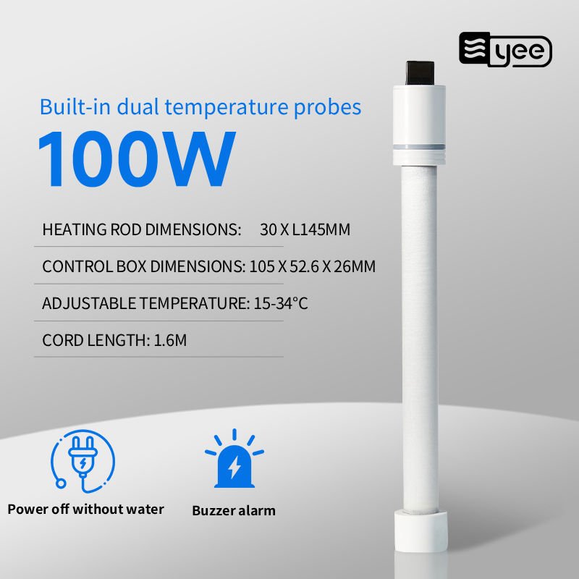 | C4-1432-1 | C4-1432 | Yee意牌水族皓源石英加热棒 100W | Yee brand aquarium quartz heating rod, 100W | $9.76 | 1 | $9.76
5 |  | C4-1103-4 | C4-1103 | YEE黑武士加热棒 100W | YEE Black Warrior Heater 100W | $3.52 | 5 | $17.61
6 | 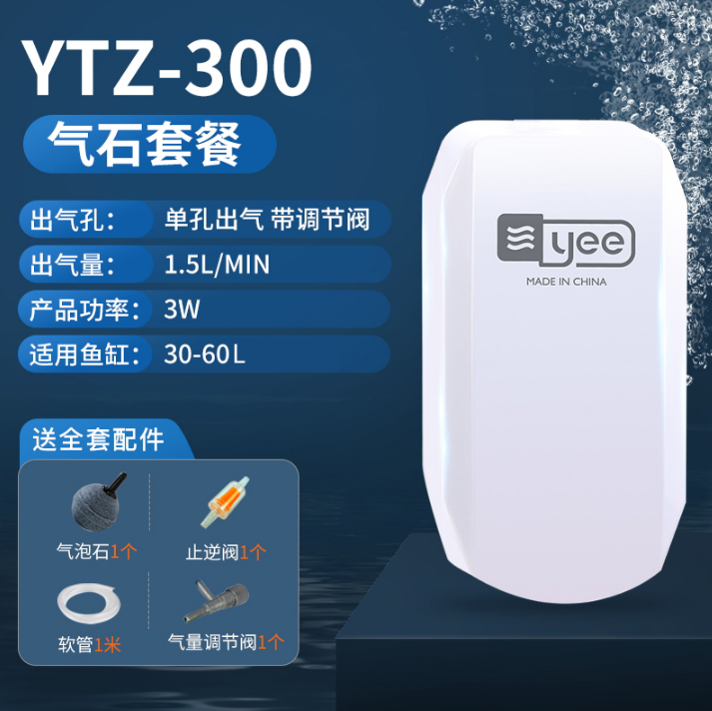 | 03326 | 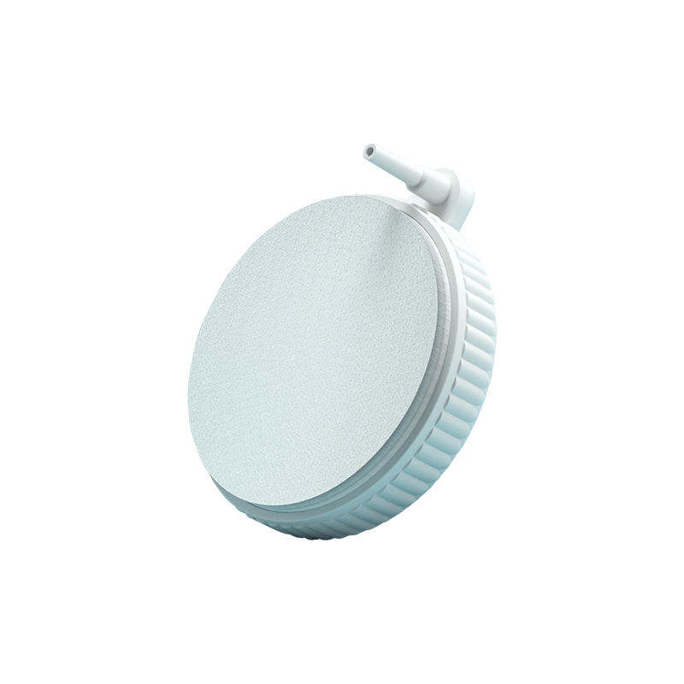 YTZ-300 | 小白单孔氧气泵3W（不可调）YTZ-300 | Xiaobai single-hole oxygen pump 3W (non-adjustable) YTZ-300 | $1.17 | 3 | $3.51
7 |  | 07154 | YGG-135 | YEE 50mm 球形矿物质气泡扩散器 | YEE 50mm Ball Mineral Bubble Diffuser | $1.56 | 15 | $23.40
8 | 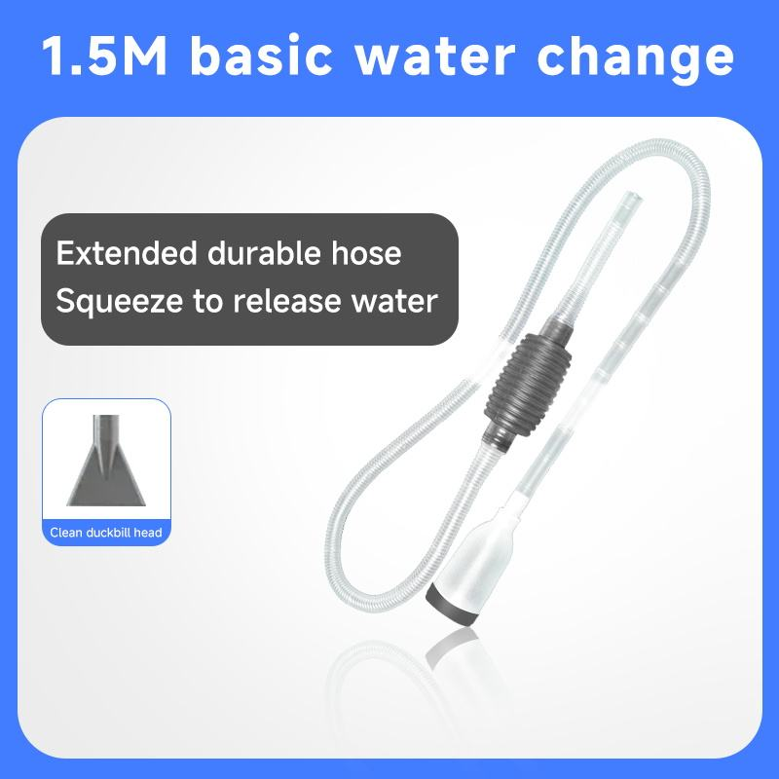 | C5-1144-1a | C5-1144 | 加强版1.5米/加厚加长 | Enhanced version 1.5 meters/thickened and lengthened | $0.37 | 10 | $3.66
9 | 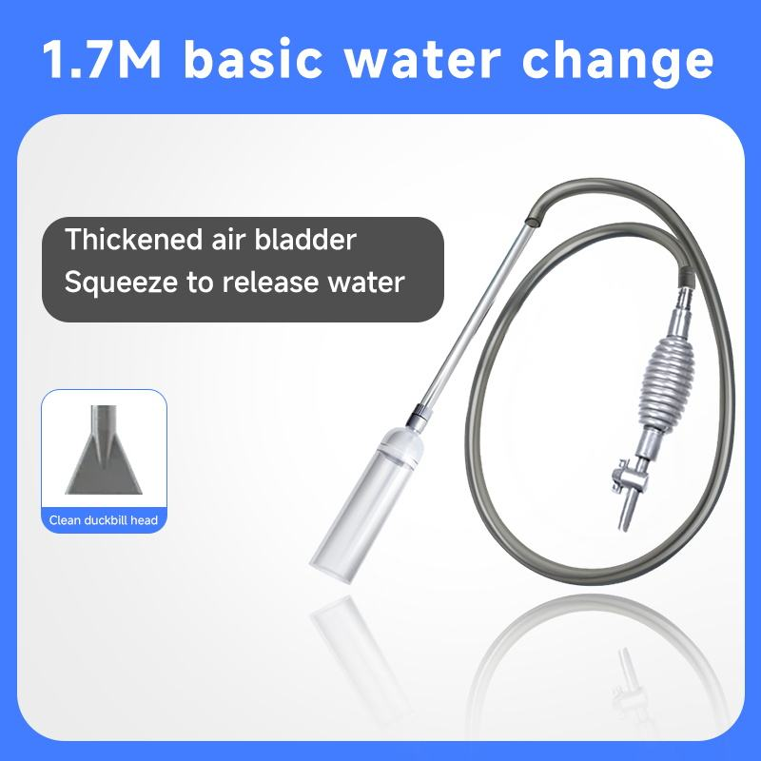 | 1.8.3.2 | YEE-3621 | 【加厚气囊 经久耐用】1.7米 | 【Thickened airbag for durability】1.7 meters | $0.92 | 10 | $9.15
10 | 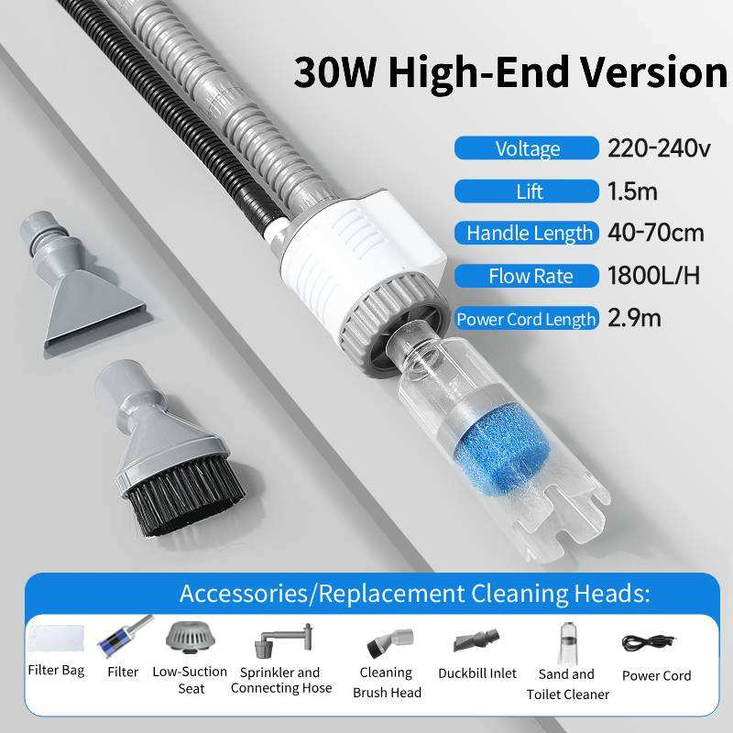 | C4-1117-1 | C4-1117 | 高配30W 低水位 | High configuration 30W low water level | $8.28 | 5 | $41.41
11 | 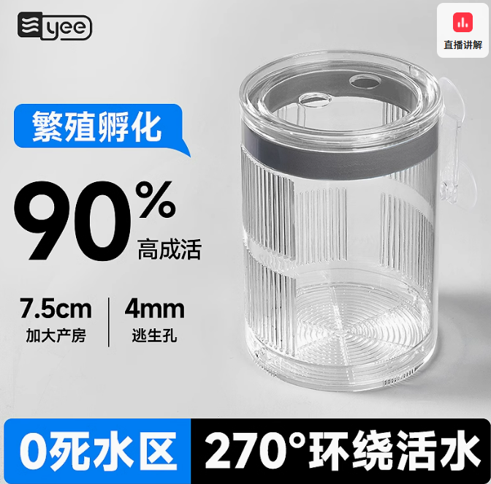 | C4-1008-1 | C4-1008 | 悬浮隔离盒大号 | Large suspended isolation box | $2.68 | 8 | $21.41
12 |  | 02517 | YSL-506 | 大号气动孵化盒（双房） | Large pneumatic incubator (double room) | $0.99 | 5 | $4.95
13 | 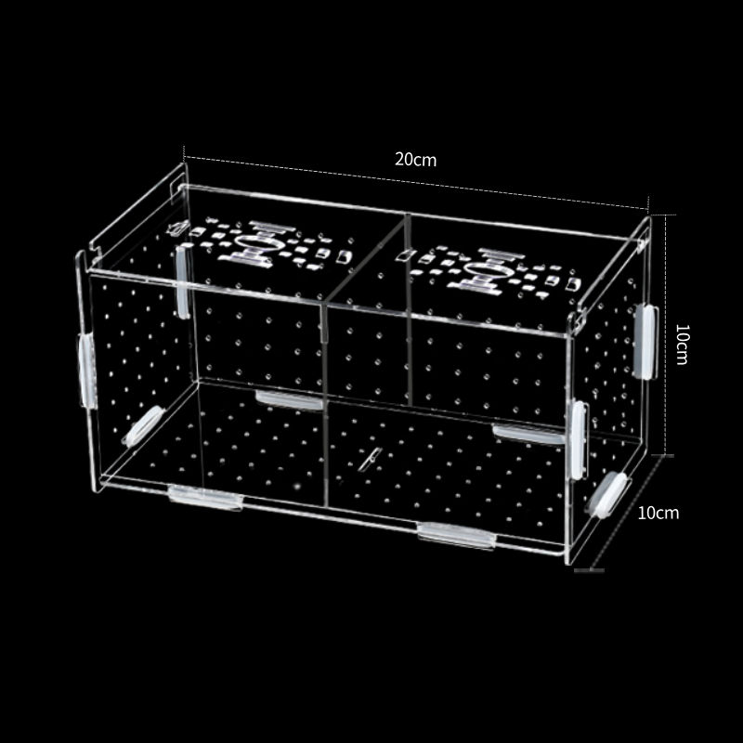 | 02771 | YKL-018 | 亚克力培养箱 20*10*10 | Acrylic incubator 20*10*10 | $2.86 | 4 | $11.44
14 | 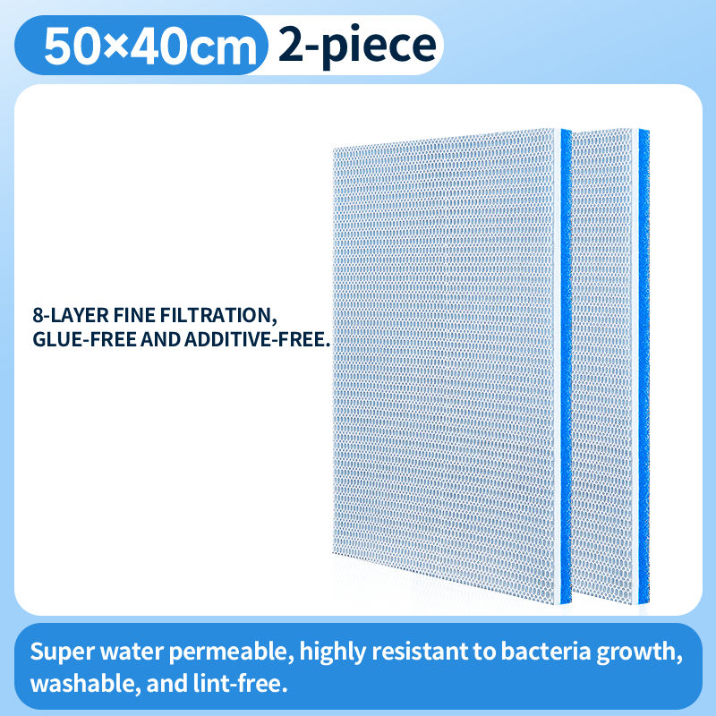 | 05617a | YLL-087 | （蓝色）新升级6D 过滤棉 50*40 两片装 | (Blue) New upgraded 6D filter cotton 50*40 two pieces | $3.04 | 4 | $12.17
15 | 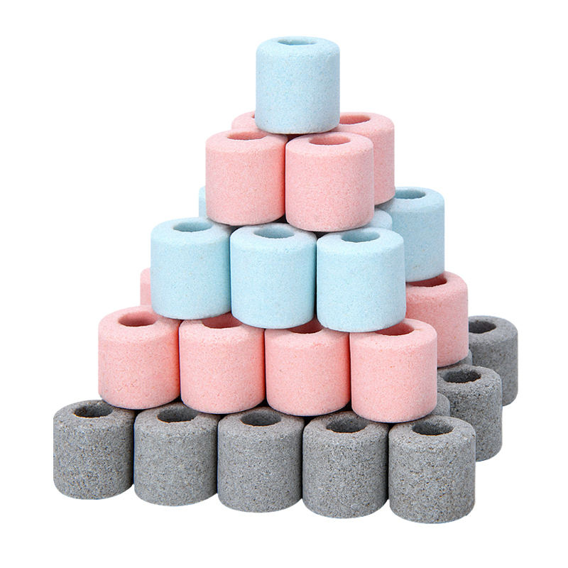 | 07116 | YFF-042 | 纳米培养环混合装 | Nano Culture Ring Mixed Pack | $1.31 | 8 | $10.48
16 |  | 17699a | YAA-009. | 高能量培菌砖 | High energy culture bricks | $0.83 | 5 | $4.15
17 |  | 11578 | NYH-006 | Nepall 3D曲奇滤材 500g | 3D filter material | $1.67 | 6 | $10.02
18 |  | 71934 | YLC-410 | 十六合一滤材 2.5kg | 16-in-1 filter material 2.5kg | $2.61 | 5 | $13.03
19 |  | 17831 | YLC-409 | 六合一滤材 500g | Six-in-one filter material 500g | $0.97 | 5 | $4.86
20 |  | C4-1067-1 | C4-1067 | 3W 油膜处理器 | 3W oil film processor | $2.61 | 4 | $10.44
21 | 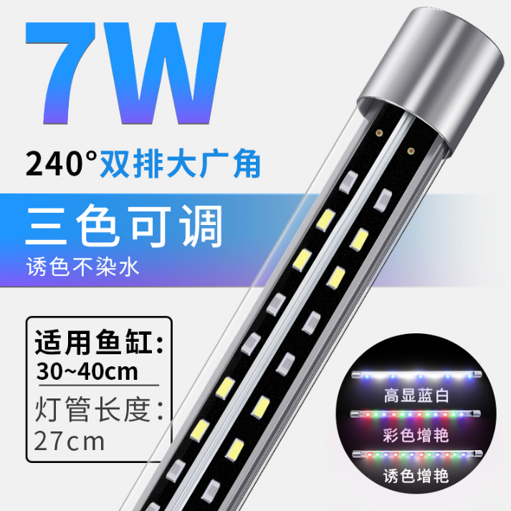 | 08116 | LED-318 | yee三色可调 3.5W 双排广角灯27cm | Yee three-color adjustable 3.5W double-row wide-angle light, 27cm | $0.00 | 4 | $0.00 | Free gift
22 | 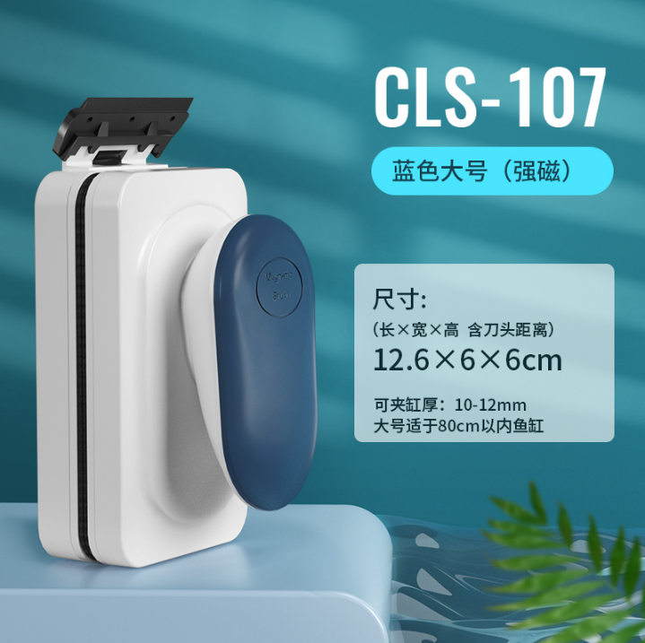 | 07140 | CLS-107 | 鱼缸磁力刷 大号 蓝色强磁 | Aquarium magnetic cleaning brush, large size, blue, strong magnet. | $0.00 | 3 | $0.00 | Free gift
23 | 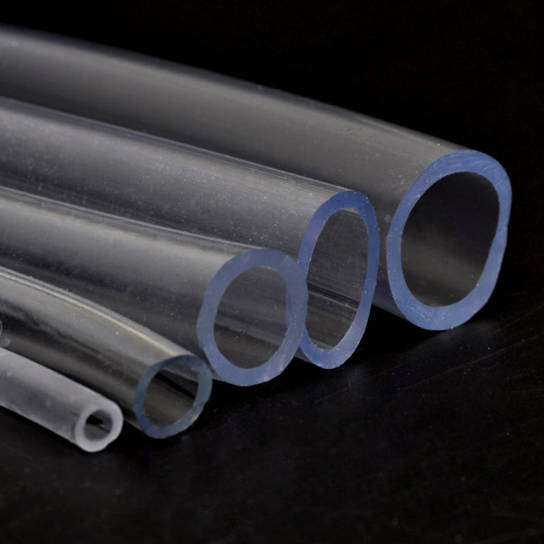 | 1.15.60 | YEE-3656 | 16mm牛筋管1.0米 | 1.0 meter of 16mm reinforced plastic tubing | $0.00 | 5 | $0.00 | Free gift
24 | 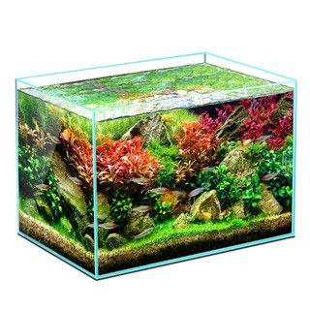 | 06255 | YXL-003 | 400x230x250mm 5mm厚 | 400x230x250mm 5mm thick | $6.28 | 2 | $12.56 | 打木箱，大小号嵌套，内部塞其它产品
25 |  | 05380 | YKK-50 | 500x270x300mm 5mm厚 | 500x270x300mm 5mm thick | $9.73 | 2 | $19.46
26 |  | 05381 | YKK-60 | 600x300x350mm 5mm厚 | 600x300x350mm 5mm thick | $12.52 | 2 | $25.04
27 |  | 16932 | YEE-1090 | 35×35×35 6mm 厚 | 35×35×35 6mm thick | $8.59 | 2 | $17.18 | 打木箱，大小号嵌套，内部塞其它产品
28 |  | 05662 | YCG-40 | 40X40X40cm 6mm厚 | 40X40X40cm 6mm thick | $11.55 | 2 | $23.10
29 |  | C5-1062-1 | C5-1062 | 60*40*40cm 8mm | 60*40*40cm 8mm | $18.17 | 2 | $36.34 | 打木箱，内部塞其它产品
30 |  | C5-1123-2 | C5-1123 | 裸缸侧虑溪流缸60*15*15cm 6mm送水泵 | Bare side stream tank 60*15*15cm 6mm water pump | $17.30 | 2 | $34.59 | 打木箱，内部塞其它产品
Products price |  |  |  |  |  |  |  | $440.69
Packaging fee |  |  |  |  |  |  |  | $65.00
ORDER 1 : Total price |  |  |  |  |  |  |  | $505.69
ORDER 2 （sensitive goods）敏货
1 | 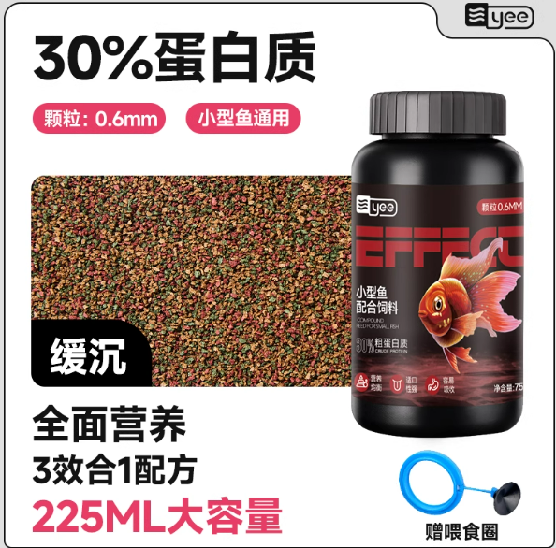 | C1-1113-2 | C1-1113 | Yee小型鱼配合饲料全效合一0.6mm75g | Yee Small Fish Feed All-in-One 0.6mm 75g | $0.63 | 25 | $15.75
2 | 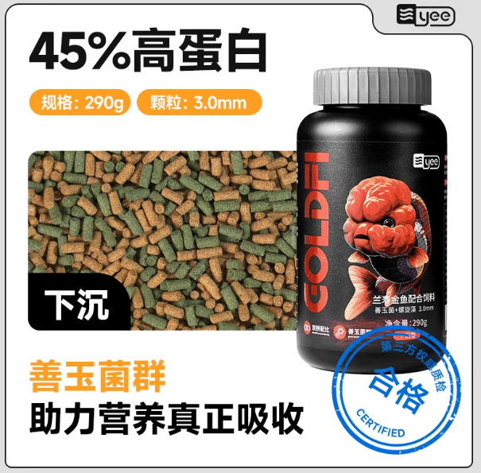 | C1-1127-1 | C1-1127 | 金鱼兰寿善玉菌+螺旋藻色扬配合饲料290g缓沉3.0mm | Goldfish Orchid Longevity Jade Fungus + Spirulina Color Yang Compound Feed 290g Slow Sinking 3.0mm | $1.80 | 15 | $27.00
3 | 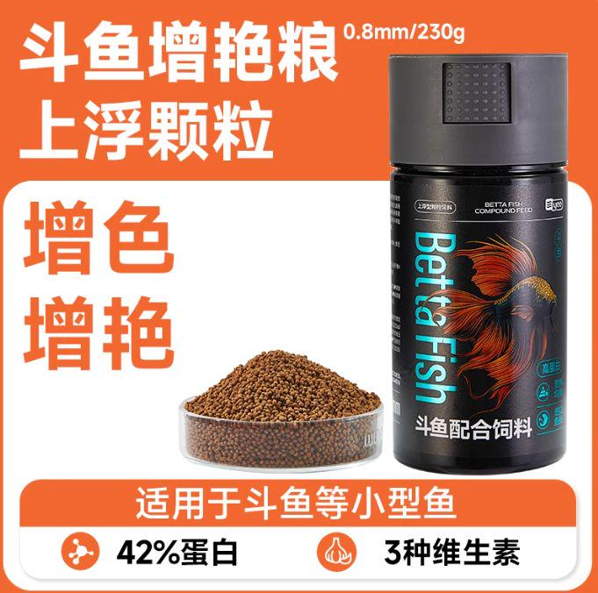 | C1-1073-1a | C1-1073 | Yee斗鱼配合饲料0.8mm130g新更换条码 | Betta fish food 0.8mm 130g New | $0.97 | 20 | $19.40
4 | 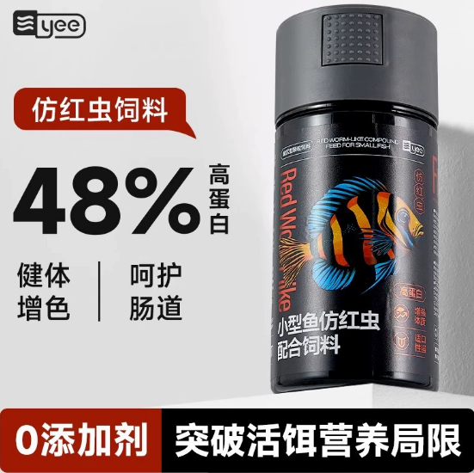 | C1-1082-5 | C1-1082 | 仿红虫0.5mm115gLLG | Imitation red worm feed 0.5mm 115g | $1.35 | 30 | $40.50
5 | 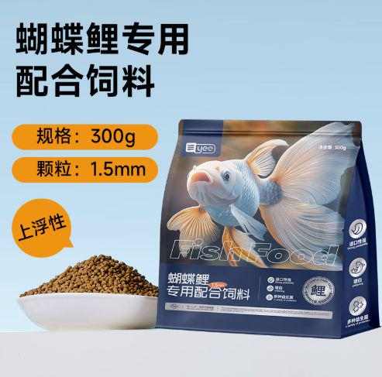 | C1-1065-1 | C1-1065 | Yee蝴蝶鲤配合饲料1.5mm300g袋装 | Floating Grain - Competition Grade 45% High Protein [1.5mm Small Particles] 300g Bag | $0.86 | 5 | $4.30
6 | 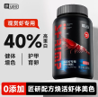 | C1-1066-2 | C1-1066 | Yee水族观赏虾专用粮260g | 【40% High Protein】Special Food for Ornamental Shrimp 260g | $1.70 | 6 | $10.20
7 | 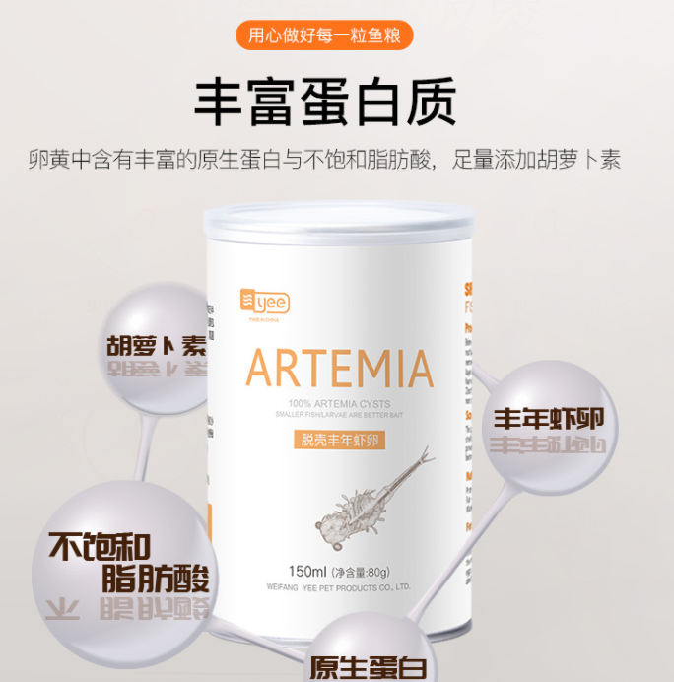 | 03446a | YYY-078 | 新款脱壳卵(80g150ml)白瓶+喂食器SJ | New Shelled Eggs (80g 150ml) White Bottle + Feeder | $1.65 | 10 | $16.50
8 |  | C1-1125-1 | C1-1125 | Yee水族-寄居蟹冻干盛宴55g55g | Yee Aqua-Hermit Crab Freeze-Dried Feast 55g | $1.27 | 3 | $3.81
9 | 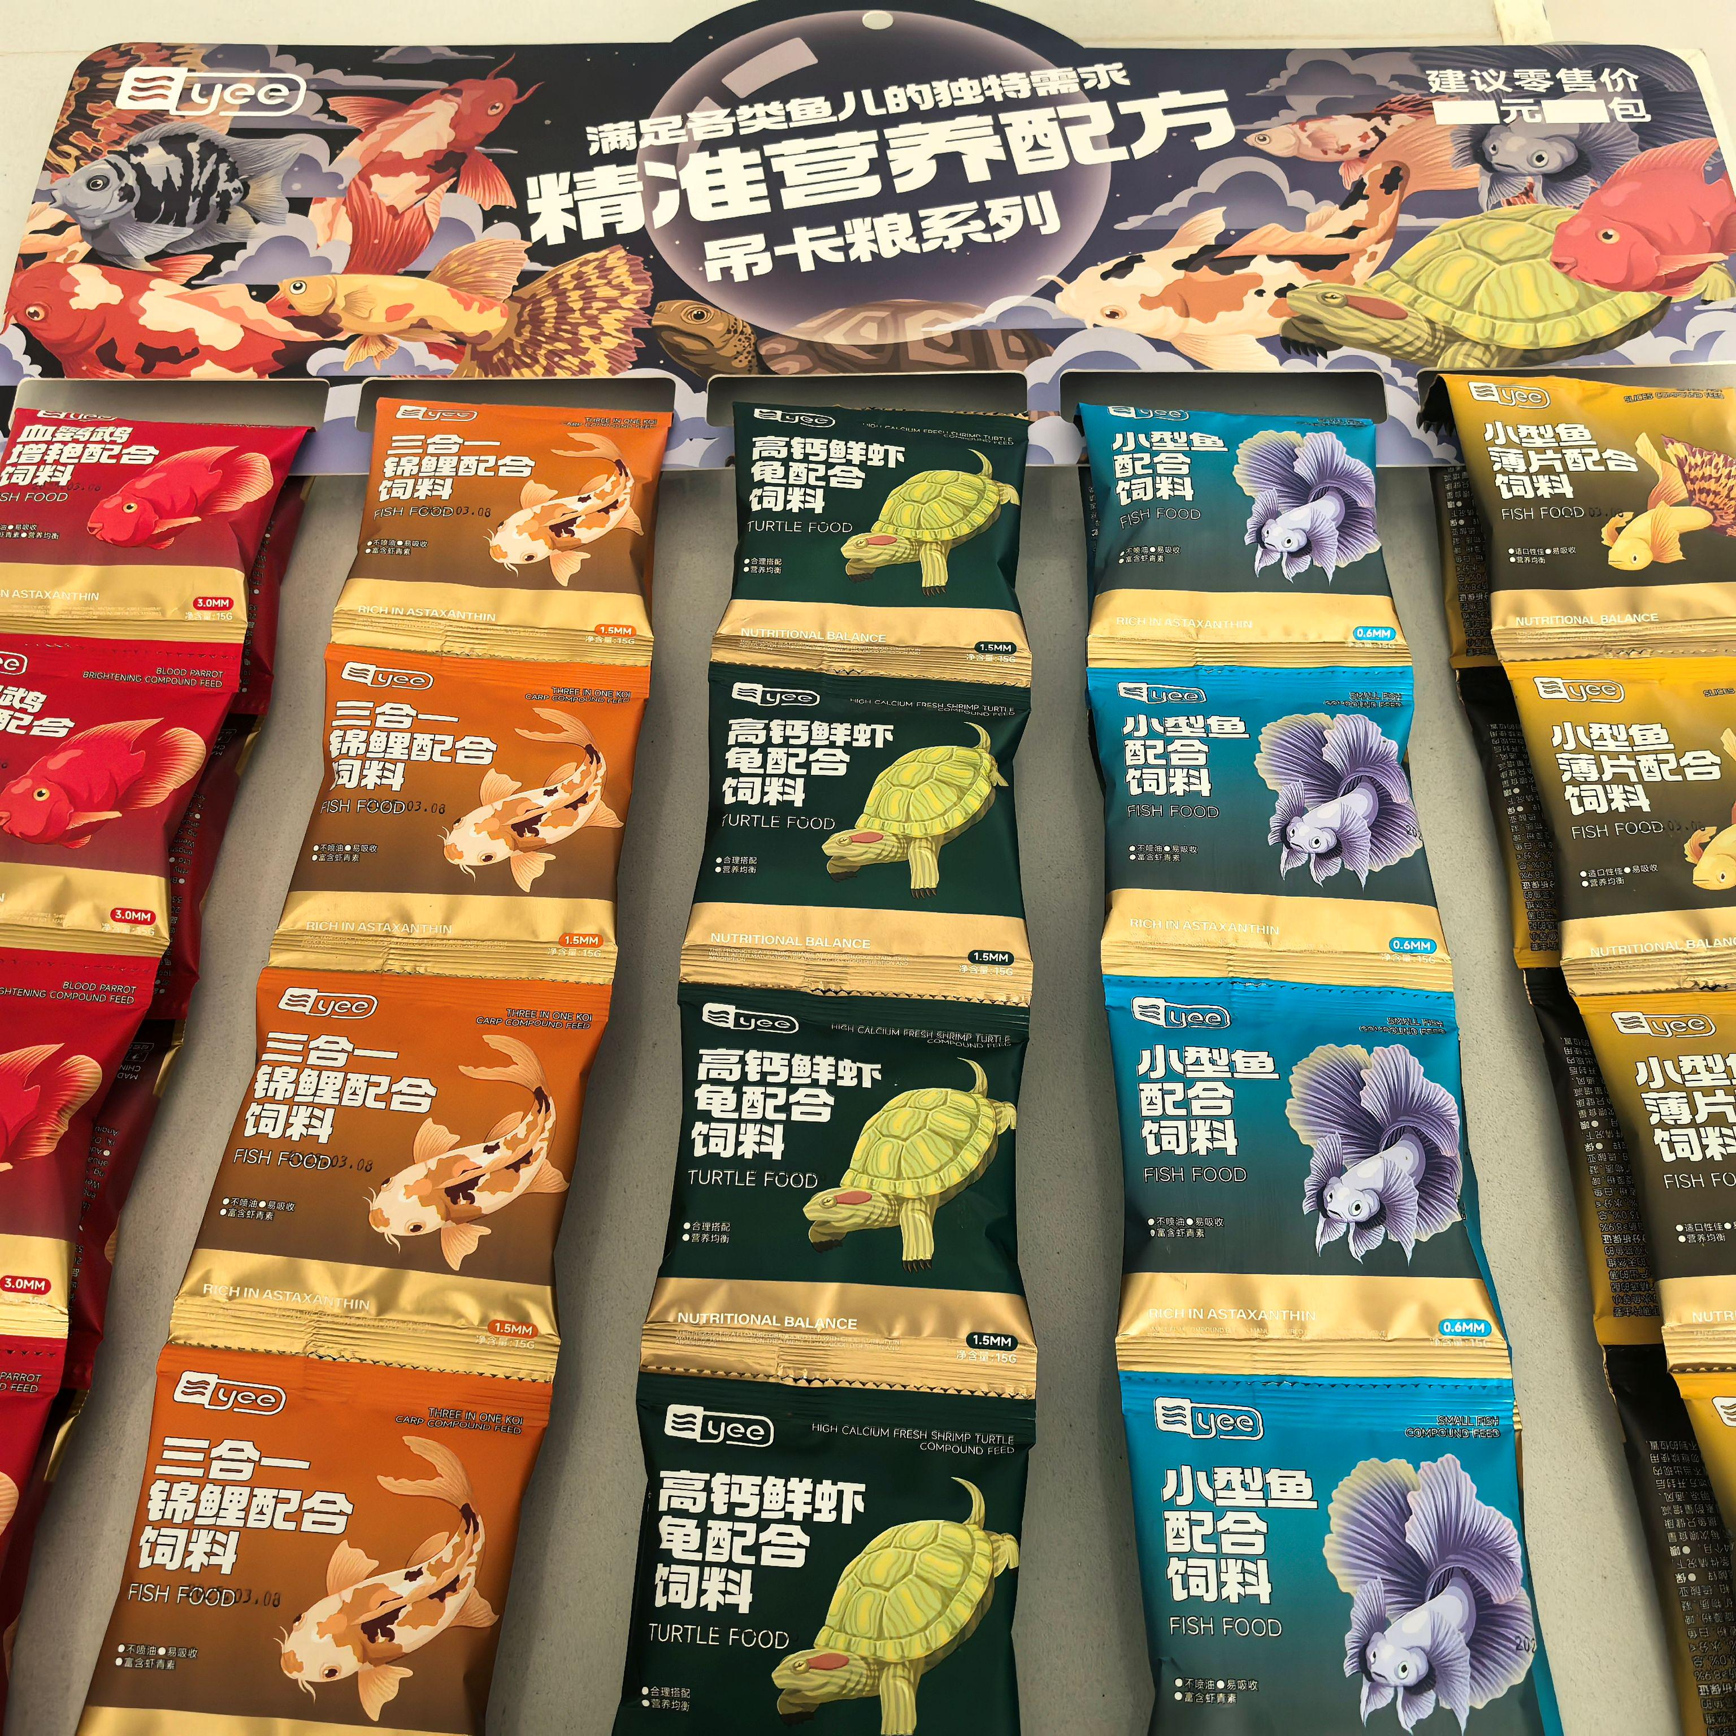 | C1-1069-1 | C1-1069 | 鱼粮连包铜版纸吊卡DJ | Fish feed with coated paper hanger | $0.62 | 15 | $9.30
10 | 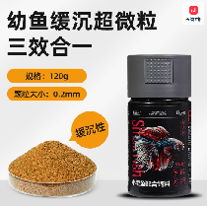 | C1-1082-2a | C1-1082 | Yee小型鱼配合饲料全效合一0.2mm210g更换条码 | 【All-in-one】Microparticles/0.2mm/210g | $1.04 | 10 | $10.40
11 | 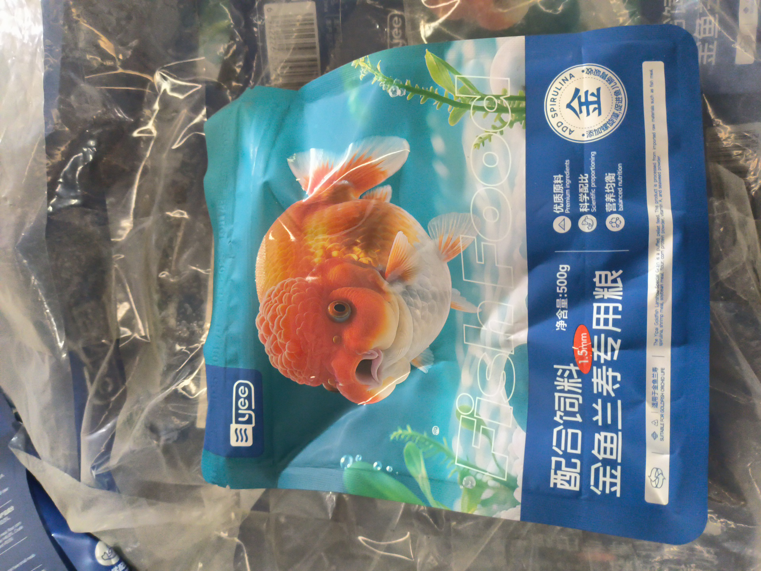 | C1-1134-6 | C1-1134 | 金鱼兰寿配合饲料1.5mm下沉500g袋装 | Ranchu goldfish formulated feed, 1.5mm diameter, sinks 500g per bag. | $1.69 | 12 | $20.28
12 | 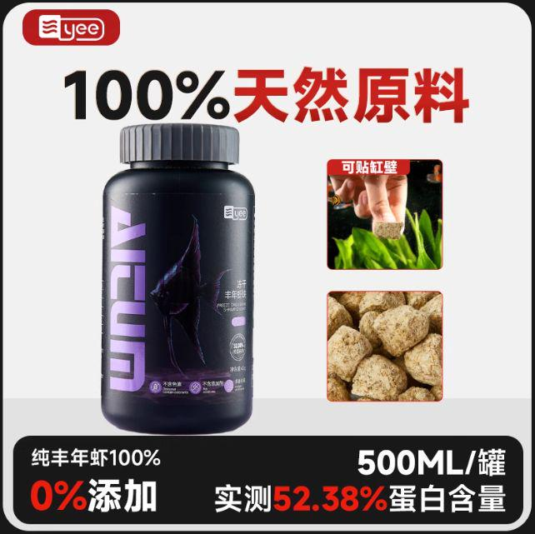 | C1-1086-1 | C1-1086 | Yee水族冻干丰年虾块18g | Yee Aquarium Freeze-dried Brine Shrimp Chunks 18g 225ml | $0.90 | 8 | $7.20
13 |  | C1-1124-1 | C1-1124 | Yee意牌水族三合一斗鱼配合饲料15g | Yee Brand 3-in-1 Betta Fish Food 15g | $0.48 | 10 | $4.80
14 |  | 12420 | YYH-125 | 白点净300ml | White Spot Cleaner 300ml | $0.72 | 10 | $7.18
15 | 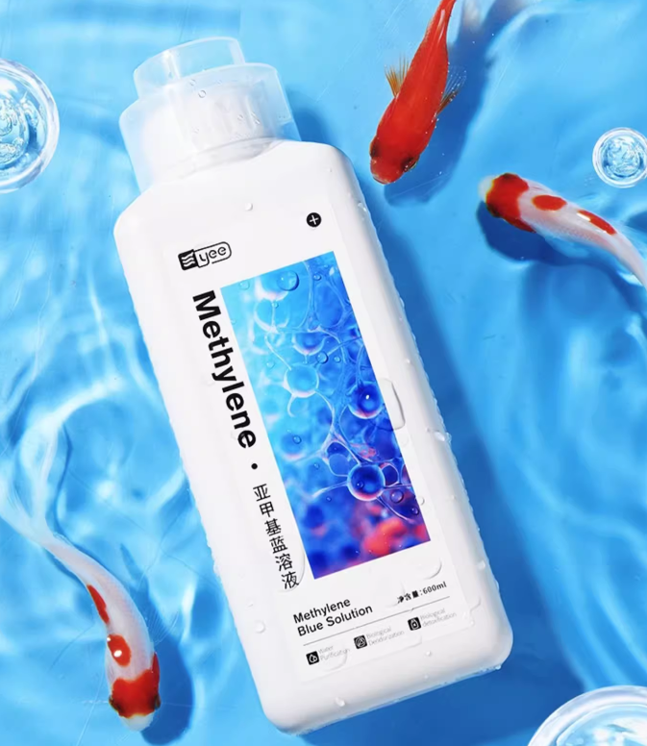 | 19768a | YYH-207 | 亚甲基蓝溶液 600ml | Methylene blue solution 600ml | $0.93 | 8 | $7.44
16 | 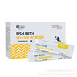 | 02856a | YYH-006 | 杀菌/抑菌/速溶粉末2g/袋×10袋[1盒] | Bactericidal/antibacterial/instant powder 2g/bag × 10 bags [1 box] | $1.13 | 6 | $6.78
17 | 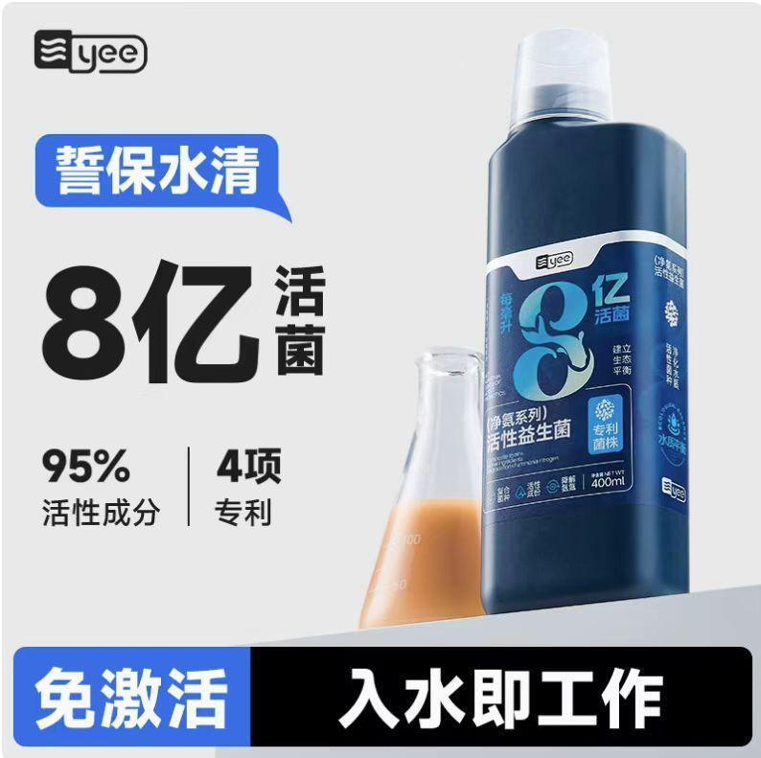 | c2-1016-2 | c2-1016 | Yee意牌水族净氨系列活性益生菌760ml | Yee Aquarium Cleansing Ammonia Series Active Probiotics 760ml | $2.34 | 10 | $23.40
18 |  | c2-1016-1a | c2-1016 | Yee意牌水族净氨系列活性益生菌400ml | Yee Aquarium Cleansing Ammonia Series Active Probiotics 400ml | $1.38 | 5 | $6.90
19 | 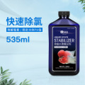 | 02924 | YYH-039 | yee蓝色经典-除氯水质稳定剂535ml | Yee Blue Classic-Chlorine Removal Water Stabilizer 535ml | $0.72 | 15 | $10.80
20 | 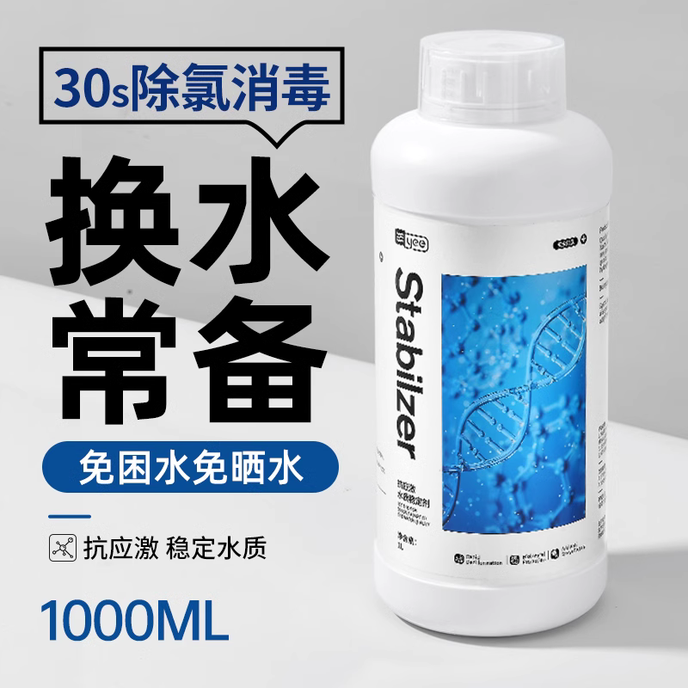 | 16940 | YYH-173 | 抗应激水质稳定剂 500ml 新风格 | Anti-stress water stabilizer 500ml New style | $0.92 | 8 | $7.32
21 |  | C3-1010-3 | C3-1010 | 【氨氮测试剂】可测约60次/精准快速 | 【Ammonia nitrogen tester】can test about 60 times/accurate and fast | $2.87 | 8 | $22.96
22 |  | C3-1010-1 | C3-1010 | 【亚硝酸盐测试剂】可测约100次/精准快速 | 【Nitrite test kit】can test about 100 times/accurate and fast | $2.87 | 8 | $22.96
23 | 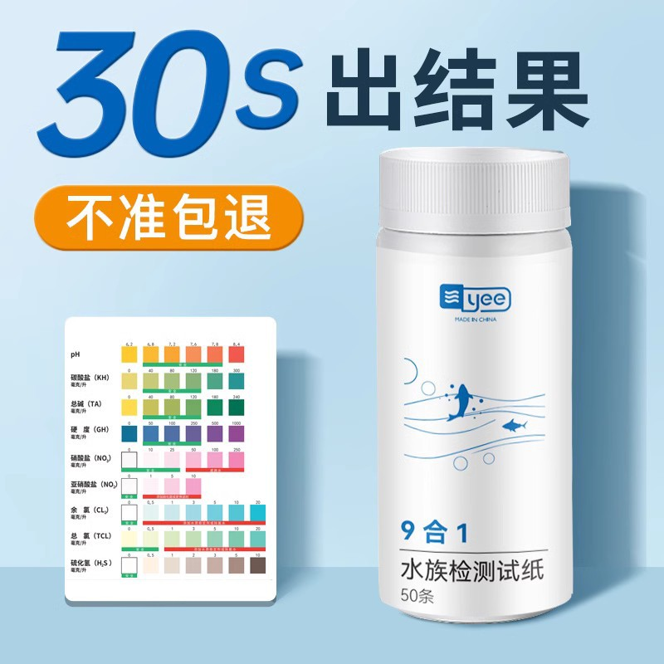 | C4-1123-1a | C4-1123 | 【新手级50条】9合1/桶装/带对比表 | [Novice Level 50] 9-in-1/Bucket/With Comparison Chart | $1.62 | 10 | $16.20
24 |  | C2-1005-1 | C2-1005 | Yee意牌水族硝化菌+益生菌胶囊50粒 | Yee Aquarium Nitrifying Bacteria + Probiotics Capsules 50 capsules | $0.85 | 12 | $10.20
25 |  | C2-1005-2 | C2-1005 | Yee意牌水族硝化菌+益生菌胶囊100粒 | Yee Aquarium Nitrifying Bacteria + Probiotics Capsules 100 Capsules | $1.27 | 8 | $10.16
26 |  | 19429 | YYH-189 | 除藻剂 500ml 新风格 | Algaecide 500ml New Style | $0.92 | 10 | $9.15
27 |  | 19939 | YYH-216 | 抗应激水质稳定剂 1000ml 新风格 | Anti-stress water stabilizer 1000ml New style | $1.13 | 6 | $6.76
28 | 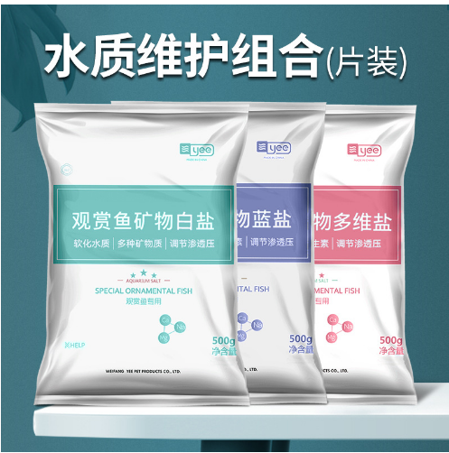 | 06834 | YAN-804 | 多维矿物盐500克 | Multivitamin mineral salt 500g | $0.20 | 10 | $2.00
29 | 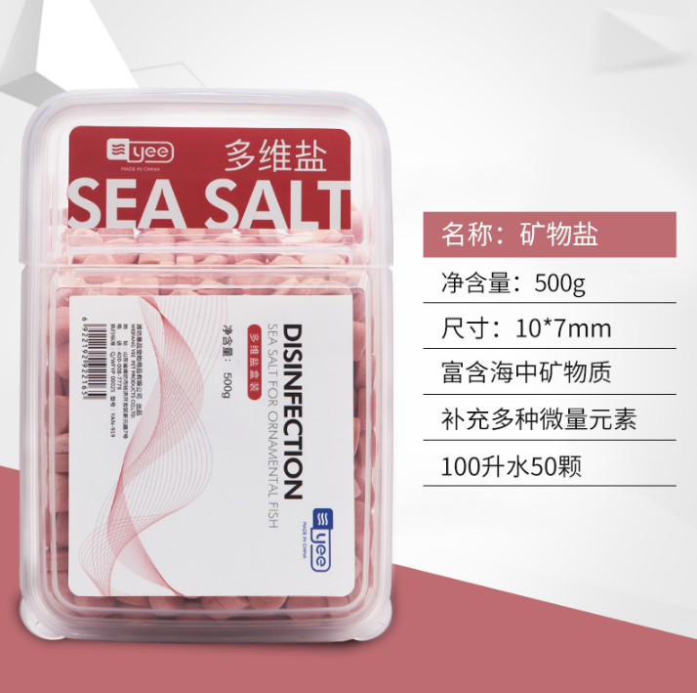 | 01831 | YAN-915 | 500G多维盐盒装YAN-915 | 500G Multivitamin Salt Box YAN-915 | $0.87 | 5 | $4.35
30 | 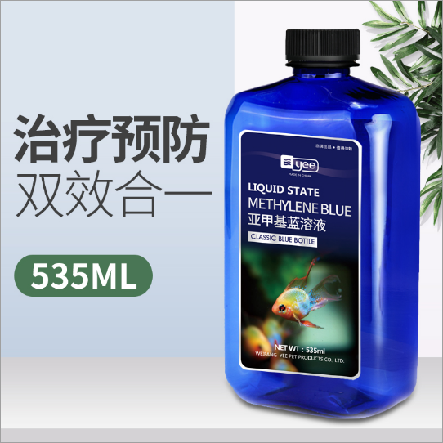 | 02938a | YYH-053 | yee蓝色经典-亚甲基蓝溶液235ml | Yee Blue Classic-Methylene Blue Solution 235ml | $0.45 | 10 | $4.50
31 | 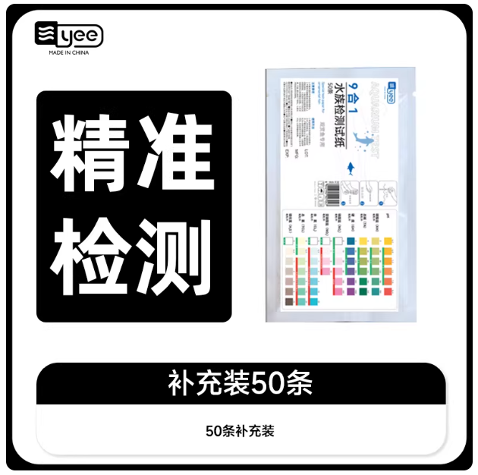 | C4-1123-2a | C4-1123 | 【补充装】9合1/补充装/50条 | 【Refill】9 in 1/Refill/50 pieces | $1.06 | 10 | $10.60
37 |  | 07509 | YFF-049 | 水草泥肥力升级款细粒 1.5L | Water grass mud fertility upgrade fine grain 1.5L | $1.23 | 18 | $22.14
38 |  | 07512 | YFF-052 | 水草泥肥力升级款 粗粒 3L | Water grass mud fertility upgrade coarse grain 3L | $2.39 | 10 | $23.90
48 |  | 13343 | PYD-200 | 鱼缸除垢剂 200ml | Fish tank descaling agent 200ml | $0.76 | 10 | $7.61
55 | 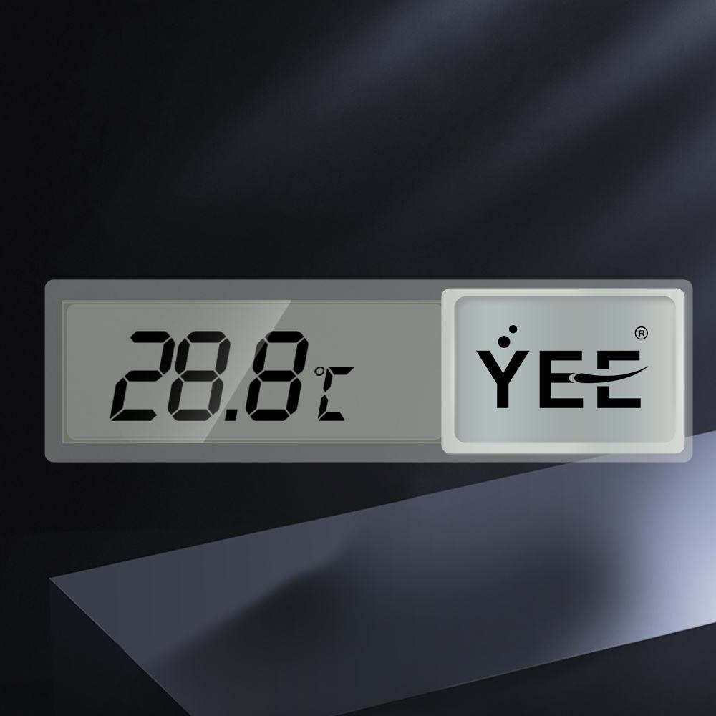 | 00340 | YEE-3606 | 外贴电子温度计 | External electronic thermometer | $1.10 | 4 | $4.40 | 装货单备注有电池
Products price |  |  |  |  |  |  |  | $437.16
ORDER 2 : Total price |  |  |  |  |  |  |  | $437.16
Total Freight fee |  |  |  |  |  |  |  | $58.00
 | Final payment for total order |  |  |  |  |  |  | $1,000.00
Payment Term：100% payment before Delivery

